Sheet1
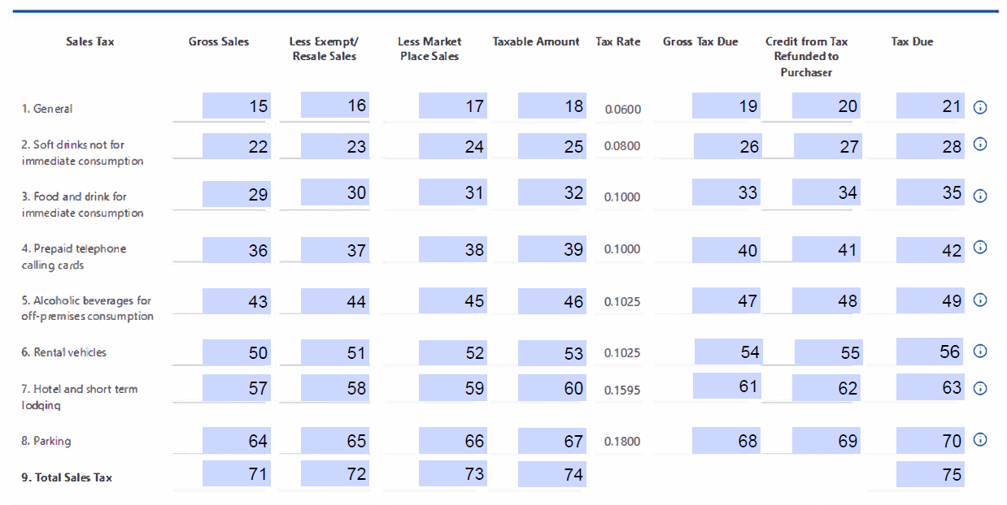
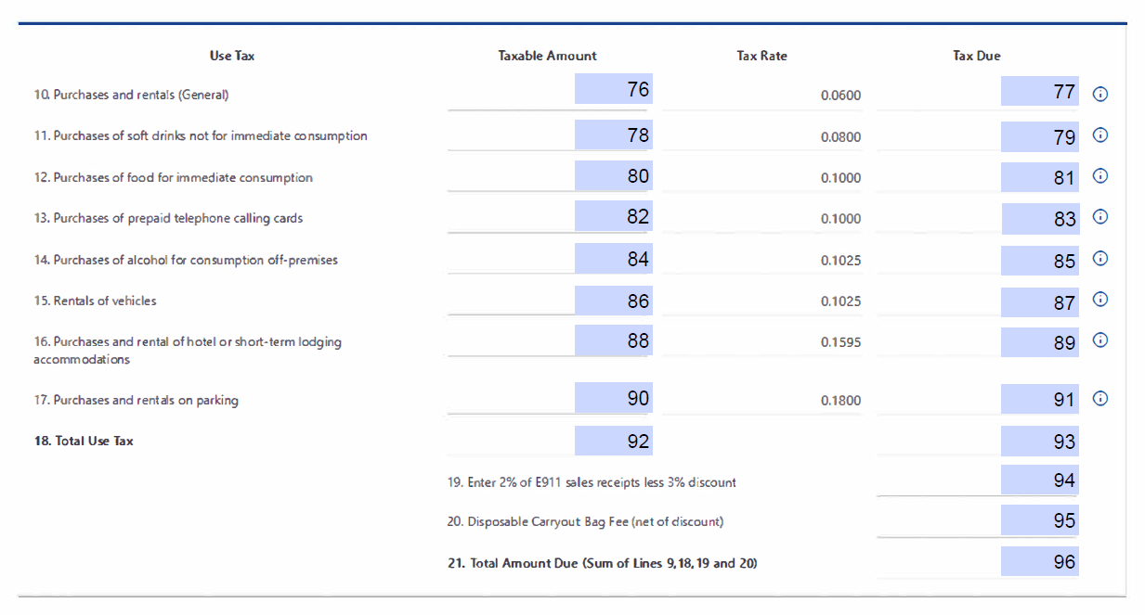
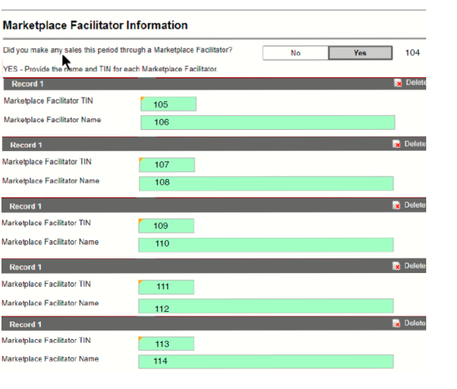
FR-800M/Q/A Bulk File Submission Layout TY2024 v1.0
Field | Line | Field Name | Data Type | Format | Mandatory | Validation/Explanation | Validation Rule 2 | Comments
1 |  | Taxpayer ID | Numeric |  | Yes | ID number | Must be 9 Digits
2 |  | Taxpayer ID Type | Alpha |  | Yes | F = FEIN S = SSN T = ITIN
3 |  | Account Number | Numeric |  | Yes | Provided Sales Tax Account ID, omit hyphen | Must be blank or Numeric
4 |  | Amended Return | Alpha |  | No | Y = Amended N or Blank = Not an amendement
5 |  | Final Return | Alpha |  | No | Y = This is the last return for this account N or Blank = No
6 |  | Closed Date | Numeric | MMDDYYYY | No | Date business stopped making sales | Must be a valid date
7 |  | Legal Name | Alpha |  | Yes | Nest name in "" if commas exist in name | Cannot be blank
8 |  | Form Type | Alpha |  | No | M = Monthly Q = Quarterly A = Annual
9 |  | Period | Numeric | MMDDYYYY | Yes | Filing Period End Date - Periods earlier than 10/30/2023 are not supported | Must be a valid month ending date corresponding with the account's filing schedule
10 |  | Mailing Street 1 | Alpha |  | Yes | Nest street in "" if commas exist in street
11 |  | Mailing Street 2 | Alpha |  | No | Nest street in "" if commas exist in street
12 |  | Mailing City | Alpha |  | Yes
13 |  | Mailing State | Alpha |  | Yes
14 |  | Mailing Zip | Alpha Numeric |  | Yes | 5 or 9 digit ZIP code
15 | 1A | Gross Sales (General) - @ 6% | Currency | ###.00 | Yes | Must be a positive, numeric value; include decimal point and two digits for cents | Cannot exceed 15 digits
16 | 1B | Less Exempt/ Resale Sales (General Sales) @ 6% | Currency | ###.00 | Yes | Must be a positive, numeric value; include decimal point and two digits for cents | Cannot exceed 15 digits
17 | 1C | Less Market Place Sales (General Sales) @ 6% | Currency | ###.00 | Yes | Must be a positive, numeric value; include decimal point and two digits for cents | Cannot exceed 15 digits
18 | 1D | Total Taxable Sales (General Sales) @ 6% | Currency | ###.00 | Yes | Must be a positive, numeric value; include decimal point and two digits for cents | Cannot exceed 15 digits | Total of 1A - 1B - 1C
19 | 1E | Gross Tax Due - (General Sales) @ 6% | Currency | ###.00 | Yes | Must be a positive, numeric value; include decimal point and two digits for cents | Cannot exceed 15 digits | 1D * 6%
20 | 1F | Credit from Tax Refunded - (General Sales) @ 6% | Currency | ###.00 | Yes | Must be a positive, numeric value; include decimal point and two digits for cents | Cannot exceed 15 digits
21 | 1G | Tax Due - (General Sales) @ 6% | Currency | ###.00 | Yes | Must be a positive, numeric value; include decimal point and two digits for cents | Cannot exceed 15 digits | Total of 1E - 1F
22 | 2A | Gross Sales (soft drinks not for immediate consumption) @ 8% | Currency | ###.00 | Yes | Must be a positive, numeric value; include decimal point and two digits for cents | Cannot exceed 15 digits
23 | 2B | Less Exempt/Resale Sales (soft drinks not for immediate consumption) @ 8% | Currency | ###.00 | Yes | Must be a positive, numeric value; include decimal point and two digits for cents | Cannot exceed 15 digits
24 | 2C | Less Market Place Sales (soft drinks not for immediate consumption) @ 8% | Currency | ###.00 | Yes | Must be a positive, numeric value; include decimal point and two digits for cents | Cannot exceed 15 digits
25 | 2D | Total Taxable Sales (soft drinks not for immediate consumption) @ 8% | Currency | ###.00 | Yes | Must be a positive, numeric value; include decimal point and two digits for cents | Cannot exceed 15 digits | Total of 2A - 2B - 2C
26 | 2E | Gross Tax Due - (soft drinks not for immediate consumption) @ 8% | Currency | ###.00 | Yes | Must be a positive, numeric value; include decimal point and two digits for cents | Cannot exceed 15 digits | 2D * 8%
27 | 2F | Credit from Tax Refunded - (soft drinks not for immediate consumption) @ 8% | Currency | ###.00 | Yes | Must be a positive, numeric value; include decimal point and two digits for cents | Cannot exceed 15 digits
28 | 2G | Tax Due - (soft drinks not for immediate consumption) @ 8% | Currency | ###.00 | Yes | Must be a positive, numeric value; include decimal point and two digits for cents | Cannot exceed 15 digits | Total of 2E - 2F
29 | 3A | Gross Sales (food and drink for immediate consumption) @ 10% | Currency | ###.00 | Yes | Must be a positive, numeric value; include decimal point and two digits for cents | Cannot exceed 15 digits
30 | 3B | Less Exempt/Resale Sales (food and drink for immediate consumption) @ 10% | Currency | ###.00 | Yes | Must be a positive, numeric value; include decimal point and two digits for cents | Cannot exceed 15 digits
31 | 3C | Less Market Place Sales (food and drink for immediate consumption) @ 10% | Currency | ###.00 | Yes | Must be a positive, numeric value; include decimal point and two digits for cents | Cannot exceed 15 digits
32 | 3D | Total Taxable Sales (food and drink for immediate consumption) @ 10% | Currency | ###.00 | Yes | Must be a positive, numeric value; include decimal point and two digits for cents | Cannot exceed 15 digits | Total of 3A - 3B - 3C
33 | 3E | Gross Tax Due - (food and drink for immediate consumption) @ 10% | Currency | ###.00 | Yes | Must be a positive, numeric value; include decimal point and two digits for cents | Cannot exceed 15 digits | 3D * 10%
34 | 3F | Credit from Tax Refunded - (food and drink for immediate consumption) @ 10% | Currency | ###.00 | Yes | Must be a positive, numeric value; include decimal point and two digits for cents | Cannot exceed 15 digits
35 | 3G | Tax Due (food and drink for immediate consumption) @ 10% | Currency | ###.00 | Yes | Must be a positive, numeric value; include decimal point and two digits for cents | Cannot exceed 15 digits | Total of 3E - 3F
36 | 4A | Gross Sales (prepaid telephone calling cards) @10% | Currency | ###.00 | Yes | Must be a positive, numeric value; include decimal point and two digits for cents | Cannot exceed 15 digits
37 | 4B | Less Exempt/Resale Sales (prepaid telephone calling cards) @10% | Currency | ###.00 | Yes | Must be a positive, numeric value; include decimal point and two digits for cents | Cannot exceed 15 digits
38 | 4C | Less Market Place Sales (prepaid telephone calling cards) @10% | Currency | ###.00 | Yes | Must be a positive, numeric value; include decimal point and two digits for cents | Cannot exceed 15 digits
39 | 4D | Total Taxable Sales (prepaid telephone calling cards) @10% | Currency | ###.00 | Yes | Must be a positive, numeric value; include decimal point and two digits for cents | Cannot exceed 15 digits | Total of 4A - 4B - 4C
40 | 4E | Gross Tax Due - (prepaid telephone calling cards) @10% | Currency | ###.00 | Yes | Must be a positive, numeric value; include decimal point and two digits for cents | Cannot exceed 15 digits | 4D * 10%
41 | 4F | Credit from Tax Refunded - (prepaid telephone calling cards) @10% | Currency | ###.00 | Yes | Must be a positive, numeric value; include decimal point and two digits for cents | Cannot exceed 15 digits
42 | 4G | Tax Due (prepaid telephone calling cards) @10% | Currency | ###.00 | Yes | Must be a positive, numeric value; include decimal point and two digits for cents | Cannot exceed 15 digits | Total of 4E - 4F
43 | 5A | Gross Sales (alcoholic beverages for off-premises consumption) @10.25% | Currency | ###.00 | Yes | Must be a positive, numeric value; include decimal point and two digits for cents | Cannot exceed 15 digits
44 | 5B | Less Exempt/Resale Sales (alcoholic beverages for off-premises consumption) @10.25% | Currency | ###.00 | Yes | Must be a positive, numeric value; include decimal point and two digits for cents | Cannot exceed 15 digits
45 | 5C | Less Market Place Sales (alcoholic beverages for off-premises consumption) @10.25% | Currency | ###.00 | Yes | Must be a positive, numeric value; include decimal point and two digits for cents | Cannot exceed 15 digits
46 | 5D | Total Taxable Sales (alcoholic beverages for off-premises consumption) @10.25% | Currency | ###.00 | Yes | Must be a positive, numeric value; include decimal point and two digits for cents | Cannot exceed 15 digits | Total of 5A - 5B - 5C
47 | 5E | Gross Tax Due (alcoholic beverages for off-premises consumption) @10.25% | Currency | ###.00 | Yes | Must be a positive, numeric value; include decimal point and two digits for cents | Cannot exceed 15 digits | 5D * 10.25%
48 | 5F | Credit from Tax Refunded (alcoholic beverages for off-premises consumption) @10.25% | Currency | ###.00 | Yes | Must be a positive, numeric value; include decimal point and two digits for cents | Cannot exceed 15 digits
49 | 5G | Tax Due (alcoholic beverages for off-premises consumption) @10.25% | Currency | ###.00 | Yes | Must be a positive, numeric value; include decimal point and two digits for cents | Cannot exceed 15 digits | Total of 5E - 5F
50 | 6A | Gross Sales (rental vehicles) @ 10.25% | Currency | ###.00 | Yes | Must be a positive, numeric value; include decimal point and two digits for cents | Cannot exceed 15 digits
51 | 6B | Less Exempt/Resale Sales (rental vehicles) @ 10.25% | Currency | ###.00 | Yes | Must be a positive, numeric value; include decimal point and two digits for cents | Cannot exceed 15 digits
52 | 6C | Less Market Place Sales (rental vehicles) @ 10.25% | Currency | ###.00 | Yes | Must be a positive, numeric value; include decimal point and two digits for cents | Cannot exceed 15 digits
53 | 6D | Total Taxable Sales (rental vehicles) @ 10.25% | Currency | ###.00 | Yes | Must be a positive, numeric value; include decimal point and two digits for cents | Cannot exceed 15 digits | Total of 6A - 6B - 6C
54 | 6E | Gross Tax Due - (rental vehicles) @ 10.25% | Currency | ###.00 | Yes | Must be a positive, numeric value; include decimal point and two digits for cents | Cannot exceed 15 digits | 6D * 10.25%
55 | 6F | Credit from Tax Refunded - (rental vehicles) @ 10.25% | Currency | ###.00 | Yes | Must be a positive, numeric value; include decimal point and two digits for cents | Cannot exceed 15 digits
56 | 6G | Tax Due -(rental vehicles) @ 10.25% | Currency | ###.00 | Yes | Must be a positive, numeric value; include decimal point and two digits for cents | Cannot exceed 15 digits | Total of 6E - 6F
57 | 7A | Gross Sales (hotel and short term lodging) @ 15.95% | Currency | ###.00 | Yes | Must be a positive, numeric value; include decimal point and two digits for cents | Cannot exceed 15 digits
58 | 7B | Less Exempt/Resale Sales (hotel and short term lodging) @15.95% | Currency | ###.00 | Yes | Must be a positive, numeric value; include decimal point and two digits for cents | Cannot exceed 15 digits
59 | 7C | Less Market Place Sales (hotel and short term lodging) @ 15.95% | Currency | ###.00 | Yes | Must be a positive, numeric value; include decimal point and two digits for cents | Cannot exceed 15 digits
60 | 7D | Total Taxable Sales (hotel and short term lodging) @15.95% | Currency | ###.00 | Yes | Must be a positive, numeric value; include decimal point and two digits for cents | Cannot exceed 15 digits | Total of 7A - 7B - 7C
61 | 7E | Gross Tax Due - (hotel and short term lodging) @ 15.95% | Currency | ###.00 | Yes | Must be a positive, numeric value; include decimal point and two digits for cents | Cannot exceed 15 digits | 7D * 15.95%
62 | 7F | Credit from Tax Refunded - (hotel and short term lodging) @ 15.95% | Currency | ###.00 | Yes | Must be a positive, numeric value; include decimal point and two digits for cents | Cannot exceed 15 digits
63 | 7G | Tax Due - (hotel and short term lodging) @ 15.95% | Currency | ###.00 | Yes | Must be a positive, numeric value; include decimal point and two digits for cents | Cannot exceed 15 digits | Total of 7E - 7F
64 | 8A | Gross Sales - Parking @ 18% | Currency | ###.00 | Yes | Must be a positive, numeric value; include decimal point and two digits for cents | Cannot exceed 15 digits
65 | 8B | Less Exempt/Resale Sales - Parking @ 18% | Currency | ###.00 | Yes | Must be a positive, numeric value; include decimal point and two digits for cents | Cannot exceed 15 digits
66 | 8C | Less Market Place Sales - Parking @ 18% | Currency | ###.00 | Yes | Must be a positive, numeric value; include decimal point and two digits for cents | Cannot exceed 15 digits
67 | 8D | Total Taxable Sales - Parking @18% | Currency | ###.00 | Yes | Must be a positive, numeric value; include decimal point and two digits for cents | Cannot exceed 15 digits | Total of 8A - 8B - 8C
68 | 8E | Gross Tax Due - Parking @ 18% | Currency | ###.00 | Yes | Must be a positive, numeric value; include decimal point and two digits for cents | Cannot exceed 15 digits | 8D * 18%
69 | 8F | Credit from Tax Refunded - Parking @ 18% | Currency | ###.00 | Yes | Must be a positive, numeric value; include decimal point and two digits for cents | Cannot exceed 15 digits
70 | 8G | Tax Due - Parking @ 18% | Currency | ###.00 | Yes | Must be a positive, numeric value; include decimal point and two digits for cents | Cannot exceed 15 digits | Total of 8E - 8F
71 | 9A | Total Gross Sales | Currency | ###.00 | Yes | Must be a positive, numeric value; include decimal point and two digits for cents | Cannot exceed 15 digits | Total of 1A + 2A +3A + 4A + 5A + 6A + 7A+ 8A
72 | 9B | Total Exempt/Resale Sales | Currency | ###.00 | Yes | Must be a positive, numeric value; include decimal point and two digits for cents | Cannot exceed 15 digits | Total of 1B + 2B +3B + 4B + 5B + 6B + 7B + 8B
73 | 9C | Total Market Place Sales | Currency | ###.00 | Yes | Must be a positive, numeric value; include decimal point and two digits for cents | Cannot exceed 15 digits | Total of 1C + 2C +3C + 4C + 5C + 6C + 7C + 8C
74 | 9D | Total Taxable Amount | Currency | ###.00 | Yes | Must be a positive, numeric value; include decimal point and two digits for cents | Cannot exceed 15 digits | Total of 1D +2D +3D +4D +5D + 6D +7D + 8D
75 | 9G | Total Sales Tax Due | Currency | ###.00 | Yes | Must be a positive, numeric value; include decimal point and two digits for cents | Cannot exceed 15 digits | Total of 1G + 2G +3G + 4G + 5G + 6G + 7G + 8G
76 | 10A | Gross Purchases - Purchases and rentals (General) - @ 6% | Currency | ###.00 | Yes | Must be a positive, numeric value; include decimal point and two digits for cents | Cannot exceed 15 digits
77 | 10G | Tax Due - Purchases and rentals (General) - @ 6% | Currency | ###.00 | Yes | Must be a positive, numeric value; include decimal point and two digits for cents | Cannot exceed 15 digits | 10A * 6%
78 | 11A | Gross Purchases of soft drinks not for immediate consumption @ 8% | Currency | ###.00 | Yes | Must be a positive, numeric value; include decimal point and two digits for cents | Cannot exceed 15 digits
79 | 11G | Tax Due - Purchases of soft drinks not for immediate consumption @ 8% | Currency | ###.00 | Yes | Must be a positive, numeric value; include decimal point and two digits for cents | Cannot exceed 15 digits | 11A * 8%
80 | 12A | Gross Purchases of food for immediate consumption @ 10% | Currency | ###.00 | Yes | Must be a positive, numeric value; include decimal point and two digits for cents | Cannot exceed 15 digits
81 | 12G | Tax Due - Purchases of food for immediate consumption @ 10% | Currency | ###.00 | Yes | Must be a positive, numeric value; include decimal point and two digits for cents | Cannot exceed 15 digits | 12A * 10%
82 | 13A | Gross Purchases of prepaid telephone calling cards @ 10% | Currency | ###.00 | Yes | Must be a positive, numeric value; include decimal point and two digits for cents | Cannot exceed 15 digits
83 | 13G | Tax Due - Purchases of prepaid telephone calling cards @ 10% | Currency | ###.00 | Yes | Must be a positive, numeric value; include decimal point and two digits for cents | Cannot exceed 15 digits | 13A * 10%
84 | 14A | Gross Purchases of alcohol for consumption off-premises @ 10.25% | Currency | ###.00 | Yes | Must be a positive, numeric value; include decimal point and two digits for cents | Cannot exceed 15 digits
85 | 14G | Tax Due - Purchases of alcohol for consumption off-premises @10.25% | Currency | ###.00 | Yes | Must be a positive, numeric value; include decimal point and two digits for cents | Cannot exceed 15 digits | 14A * 10.25%
86 | 15A | Gross Purchases of Rentals of vehicles @ 10.25% | Currency | ###.00 | Yes | Must be a positive, numeric value; include decimal point and two digits for cents | Cannot exceed 15 digits
87 | 15G | Tax Due Rentals of vehicles @ 10.25% | Currency | ###.00 | Yes | Must be a positive, numeric value; include decimal point and two digits for cents | Cannot exceed 15 digits | 15A * 10.25%
88 | 16A | Gross Purchases and rental of hotel or short-term lodging accommodations @ 15.95% | Currency | ###.00 | Yes | Must be a positive, numeric value; include decimal point and two digits for cents | Cannot exceed 15 digits
89 | 16G | Tax Due of Purchases and rental of hotel or short-term lodging accommodations @ 15.95% | Currency | ###.00 | Yes | Must be a positive, numeric value; include decimal point and two digits for cents | Cannot exceed 15 digits | 16A * 15.95%
90 | 17A | Gross Purchases and rentals or parking @ 18% | Currency | ###.00 | Yes | Must be a positive, numeric value; include decimal point and two digits for cents | Cannot exceed 15 digits
91 | 17G | Tax Due of Purchases and rentals or parking @ 18% | Currency | ###.00 | Yes | Must be a positive, numeric value; include decimal point and two digits for cents | Cannot exceed 15 digits | 17A * 18%
92 | 18A | Total Use Taxable Amount | Currency | ###.00 | Yes | Must be a positive, numeric value; include decimal point and two digits for cents | Cannot exceed 15 digits | Total 10A + 11A + 12A + 13A + 14A +15A + 16A + 17A
93 | 18G | Total Use Tax Due | Currency | ###.00 | Yes | Must be a positive, numeric value; include decimal point and two digits for cents | Cannot exceed 15 digits | Total 10G + 11G + 12G + 13G + 14G +15G + 16G + 17G
94 | 19 | E911 Sales Receipts | Currency | ###.00 | Yes | Must be a positive, numeric value; include decimal point and two digits for cents | Cannot exceed 15 digits
95 | 20 | Disposable Carryout Bag Fee | Currency | ###.00 | Yes | Must be a positive, numeric value; include decimal point and two digits for cents | Cannot exceed 15 digits
96 | 21 | Total Amount Due | Currency | ###.00 | Yes | Must be a positive, numeric value; include decimal point and two digits for cents | Cannot exceed 15 digits | Total 9G + 18G + 19 + 20
 |  | Preparer's Name | Alpha |  | No | Name of the Preparer
 |  | Preparer's PTIN | Alpha |  | No | PTIN
 |  | Designee's Name | Alpha |  | No | 3rd Party Designee's Name
 |  | Designee's Phone | Numeric | ########## | No | Non-Formatted Phone Number | Must be 10 digits
 |  | Vendor ID | Numeric |  | No | Must be 4 digits or blank
 |  | Paid Preparer | Alpha |  | No | Y = You are a paid Preparer
 |  | Are you Authorizing an Individual to speak with OTR | Alpha |  | No | Y = You are authorized to speak with OTR
104 |  | Did you use a Market Place Seller | Alpha |  | No | Y = you need to add Market Place EIN and Name
105 |  | Market Place EIN -1 | Numeric |  | No | ID number | Must be 9 Digits
106 |  | Market Place Name - 1 | Alpha |  | No
107 |  | Market Place EIN -2 | Numeric |  | No | ID number | Must be 9 Digits
108 |  | Market Place Name - 2 | Alpha |  | No
109 |  | Market Place EIN -3 | Numeric |  | No | ID number | Must be 9 Digits
110 |  | Market Place Name - 3 | Alpha |  | No
111 |  | Market Place EIN -4 | Numeric |  | No | ID number | Must be 9 Digits
112 |  | Market Place Name - 4 | Alpha |  | No
113 |  | Market Place EIN -5 | Numeric |  | No | ID number | Must be 9 Digits
114 |  | Market Place Name - 5 | Alpha |  | No

